Sheet1
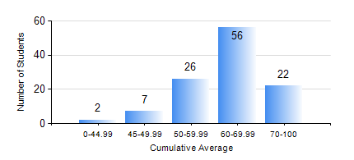
 |  |  | KWAME NKRUMAH UNIVERSITY OF SCIENCE AND TECHNOLOGY, KUMASI Department of Materials Engineering

 |  |  | BSC. MATERIALS ENG.

 |  |  | COMPREHENSIVE RECORD OF EXAMINATION RESULTS

 |  |  | RESULTS OF YEAR 1 FIRST SEMESTER, 2018/2019 ACADEMIC YEAR

 | Sn | Course Code |  | Course Name | Credit Hours | Min. Mark | Max. Mark | Avg. Mark | Std. Dev. | No. Passed | No. Trailed | No. (Df) | No. (I) | No. (I*) | No. Tagged(I,I*,Df) | Total
 | 0. |  |  |  |  |  |  | 0 | 0 | 0 | 0 | 0 | 0 | 0 | 0 | 3
 | 1. | EE 151 |  | APPLIED ELECTRICITY | 3 | 27 | 86 | 55 | 14.16 | 96 | 14 | 0 | 0 | 0 | 0 | 110
 | 2. | ENGL 157 |  | COMMUNICATION SKILLS I | 2 | 42 | 78 | 62 | 7.85 | 110 | 0 | 0 | 0 | 0 | 0 | 110
 | 3. | MATH 151 |  | ALGEBRA | 4 | 40 | 90 | 70 | 9.35 | 110 | 0 | 0 | 0 | 0 | 0 | 110
 | 4. | ME 159 |  | TECHNICAL DRAWING | 2 | 40 | 87 | 65 | 9.87 | 110 | 0 | 0 | 0 | 0 | 0 | 110
 | 5. | ME 195 |  | ENGINEERING TECHNOLOGY I | 2 | 40 | 91 | 63 | 10.16 | 110 | 0 | 0 | 0 | 0 | 0 | 110
 | 6. | MSE 151 |  | CHEMISTRY FOR MATERIALS ENGINEERS | 2 | 24 | 87 | 62 | 12.58 | 107 | 3 | 0 | 0 | 0 | 0 | 110
 | 7. | MSE 153 |  | INTRODUCTION TO INFORMATION TECHNOLOGY | 2 | 43 | 88 | 68 | 7.57 | 110 | 0 | 0 | 0 | 0 | 0 | 110

